Forecasting
Sales Forecasting |  |  |  | EBITDA Forecasting |  |  |  | Earning per share Forecasting
Year Weight | Year | Sales | Sales Growth | Year Weight | Year | EBITDA | EBITDA Growth | Year Weight | Year | EPS | EPS Growth
1 | 2022-03-01 | 30,976.27 |  | 1 | 2022-03-01 | 2,615.99 |  | 1 | 2022-03-01 | 23.00
2 | 2023-03-01 | 42,839.56 | 38.3% | 2 | 2023-03-01 | 3,766.37 | 44.0% | 2 | 2023-03-01 | 37.00 | 60.9%
3 | 2024-03-01 | 50,788.83 | 18.6% | 3 | 2024-03-01 | 4,250.22 | 12.8% | 3 | 2024-03-01 | 39.00 | 5.4%
4 | 2025-03-01 | 59,358.05 | 16.9% | 4 | 2025-03-01 | 4,611.64 | 8.5% | 4 | 2025-03-01 | 42.00 | 7.7%
5 | 2026-03-01 | 68,820.74 | 15.9% | 5 | 2026-03-01 | 5,260.69 | 14.1% | 5 | 2026-03-01 | 46.00 | 9.5%
6 | 2027-03-01 | 78,218.92 | 13.7% | 6 | 2027-03-01 | 5,941.38 | 12.9% | 6 | 2027-03-01 | 52.70 | 14.6%
7 | 2028-03-01 | 87,439.66 | 11.8% | 7 | 2028-03-01 | 6,554.85 | 10.3% | 7 | 2028-03-01 | 57.80 | 9.7%
8 | 2029-03-01 | 96,660.41 | 10.5% | 8 | 2029-03-01 | 7,168.32 | 9.4% | 8 | 2029-03-01 | 62.90 | 8.8%
9 | 2030-03-01 | 105,881.15 | 9.5% | 9 | 2030-03-01 | 7,781.78 | 8.6% | 9 | 2030-03-01 | 68.00 | 8.1%
10 | 2031-03-01 | 115,101.89 | 8.7% | 10 | 2031-03-01 | 8,395.25 | 7.9% | 10 | 2031-03-01 | 73.10 | 7.5%

Historical Avg Growth |  | 22.4% |  | Historical Avg Growth |  | 19.8% |  | Historical Avg Growth |  | 20.9%
Forecast Avg Growth |  | 10.8% |  | Forecast Avg Growth |  | 9.8% |  | Forecast Avg Growth |  | 9.7%

Sales Forecasting
46447 | 78218.919 | 0.13656027238
46813 | 87439.662 | 0.11788379484
47178 | 96660.405 | 0.10545263773
47543 | 105881.148 | 0.095393175727
47908 | 115101.891 | 0.087085786036
Ebitda Forecasting
44621 | 2615.99
44986 | 3766.37 | 0.43974938742
45352 | 4250.22 | 0.12846587032
45717 | 4611.64 | 0.085035598157
46082 | 5260.69 | 0.14074168842
46447 | 5941.383 | 0.12939234207
46813 | 6554.85 | 0.10325323245
47178 | 7168.317 | 0.093589784663
47543 | 7781.784 | 0.085580339151
47908 | 8395.251 | 0.078833722447
EPS Forecasting
44621 | 23
44986 | 37 | 0.60869565217
45352 | 39 | 0.054054054054
45717 | 42 | 0.076923076923
46082 | 46 | 0.095238095238
46447 | 52.7 | 0.14565217391
46813 | 57.8 | 0.096774193548
47178 | 62.9 | 0.088235294118
47543 | 68 | 0.081081081081
47908 | 73.1 | 0.075

Stock Analysis
Metric | Value | Financial Year | Revenue (₹ Crore) | Profit After Tax (PAT) (₹ Crore) | Revenue Change (%) | PAT Change (%) | Nifty 50 Change (%) | Nifty 50 Prices
Market Cap | ₹ 2,62,088 Cr. | FY 2025-26 | 68,821 | 2,970 | 15.94% | 9.716% | -1% | 23283.7
Current Price | ₹ 4,019 | FY 2024-25 | 59,358 | 2,707 | 16.87% | 6.743% | 5% | 23519.35
High / Low | ₹ 4,950 / 3,529 | FY 2023-24 | 50,789 | 2,536 | 18.56% | 6.644% | 29% | 22326.9
Stock P/E | 88.2 | FY 2022-23 | 42,840 | 2,378 | 38.30% | 59.383% | -1% | 17359.75
Book Value | 375 | FY 2021-22 | 30,976 | 1,492 |  |  |  | 17464.75
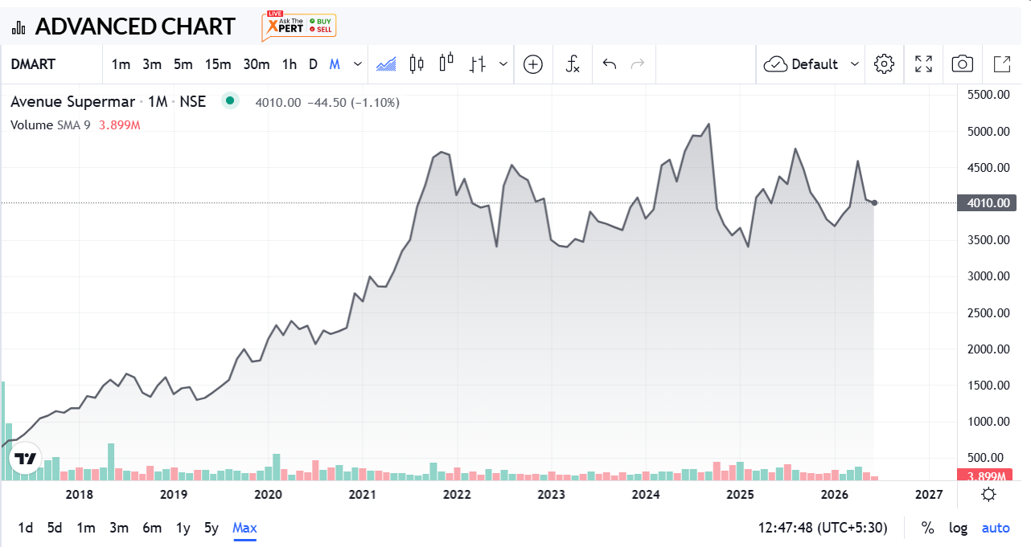
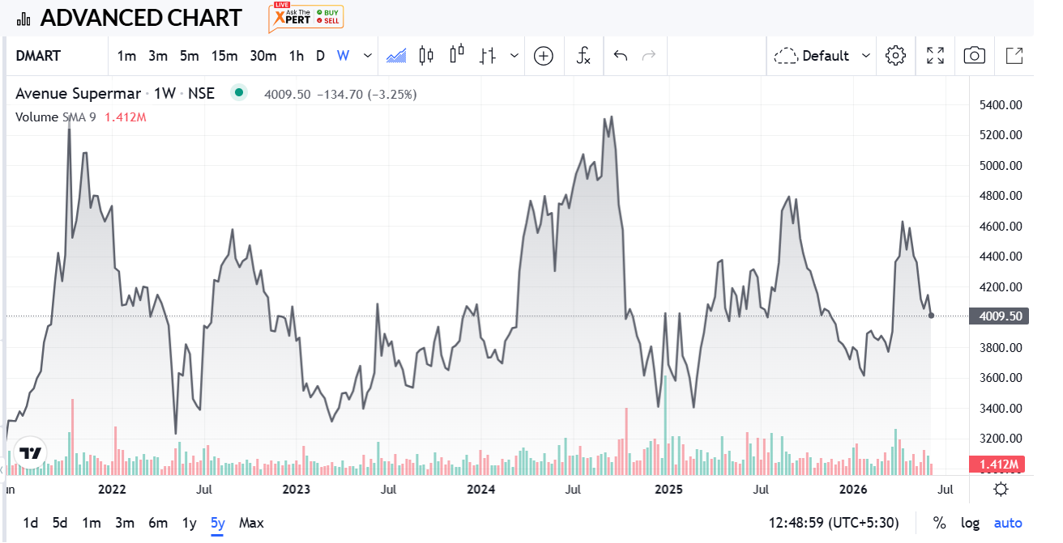
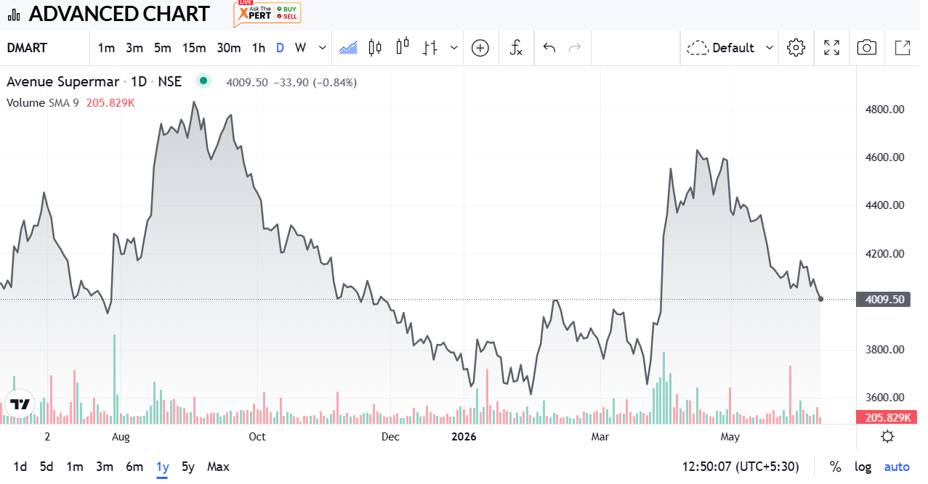
Dividend Yield | ₹ 0.00
ROCE | 17.2 %
ROE | 13.0 %
Face Value | 10

STOCK ANALYSIS – FINAL CALL
RECOMMENDATION: SELL / AVOID FRESH BUY – CMP Rs.4,019 vs Fair Value Rs.45 (DCF) / Rs.399–Rs.1,910 (Relative)

• DCF intrinsic value ~Rs.45/share vs CMP Rs.4,200 – huge downside.
• Relative valuation (peer P/E, EV/Sales, EV/EBITDA) implies fair price Rs.399–Rs.1,910 – still 53-99% below CMP.
• Stock P/E 88.2x vs peer average ~9.5x and median ~40.7x – very expensive.
• Revenue growth slowing: 38% (FY23) -> 19% -> 17% -> ~16% (FY26E).
• Profit growth slowing sharply: 59% (FY23) -> ~7% -> ~7% -> ~10% (FY26E).
• Margins falling: EBITDA margin 8.45% -> 7.64%, Net margin 4.82% -> 4.32% (FY22 to FY26E).
• Returns falling: ROE 14.8% -> 12.1%, ROCE 18.8% -> 16.4%, ROA 13.1% -> 10.1%.
• Interest coverage dropped 60.5x -> 29.7x (still safe but trend down).
• Dividend yield = 0% – no income cushion while waiting.
• Business quality is strong (415 stores, owned real estate, EDLC/EDLP moat) – issue is only PRICE.

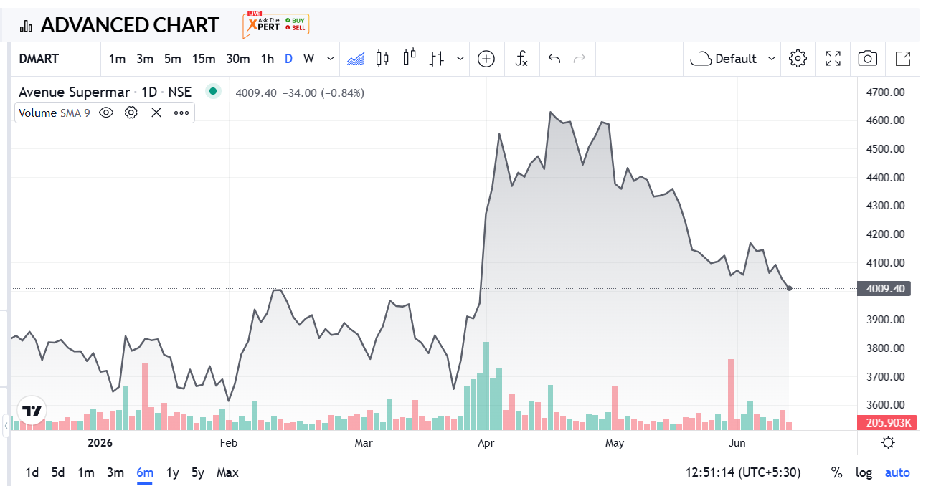
ACTION:
• Existing holders: Book partial profits / trail stop-loss.
• New investors: Wait for price near Rs.1,000–Rs.1,900 zone or clear growth re-acceleration before buying.

